Heat Demand
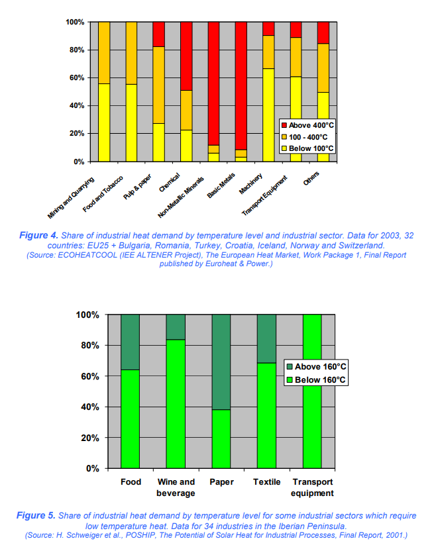
 | mapped industry from Figure 4 | yellow pixels | orange pixels | red pixels | total pixels
cement and other carbonates | non-metallic minerals | 24 | 22 | 374 | 420
natural gas and petroleum systems | mining and quarrying | 234 | 187 | 0 | 421
iron and steel | basic metals | 12 | 21 | 388 | 421
chemicals | chemical | 94 | 118 | 209 | 421
coal mining | mining and quarrying | 234 | 187 | 0 | 421
waste management | N/A |  |  | 421 | 421
agriculture | N/A |  |  | 421 | 421
other industries | Others | 207 | 146 | 68 | 421

Assume Below 100C is all electric potential, 100-400C is 75% electric potential/25% hydrogen, and above 400C is entirely hydrogen

 | electricity | hydrogen
cement and other carbonates | 0.096428571429
natural gas and petroleum systems | 0.88895486936
iron and steel | 0.065914489311
chemicals | 0.43349168646
coal mining | 0.88895486936
waste management | 0
agriculture | 0
other industries | 0.75178147268

